Sheet1
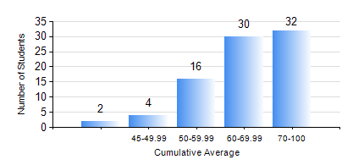
 |  |  | KWAME NKRUMAH UNIVERSITY OF SCIENCE AND TECHNOLOGY, KUMASI Department of Mechanical Engineering

 |  |  | BSC. AEROSPACE ENG., General Option

 |  |  | COMPREHENSIVE RECORD OF EXAMINATION RESULTS

 |  |  | RESULTS OF YEAR 3 SECOND SEMESTER, 2022/2023 ACADEMIC YEAR

 | Sn | Course Code |  | Course Name | Credit Hours | Min. Mark | Max. Mark | Avg. Mark | Std. Dev. | No. Passed | No. Trailed | No. (Df) | No. (I) | No. (I*) | No. Tagged(I,I*,Df) | Total
 | 0. |  |  |  |  |  |  | 0 | 0 | 0 | 0 | 0 | 0 | 0 | 0 | 1
 | 1. | AERO 362 |  | AIR VEHICLE STABILITY AND CONTROL | 3 | 46 | 77 | 64 | 6.97 | 83 | 0 | 0 | 0 | 0 | 0 | 83
 | 2. | AERO 368 |  | PROPULSION | 3 | 36 | 90 | 64 | 11.28 | 82 | 1 | 0 | 0 | 0 | 0 | 83
 | 3. | AERO 374 |  | AIRCRAFT PERFORMANCE AND DESIGN | 3 | 41 | 92 | 75 | 12.93 | 83 | 0 | 0 | 0 | 0 | 0 | 83
 | 4. | AERO 396 |  | AEROSPACE ENGINEERING LAB II | 1 | 51 | 80 | 67 | 6.49 | 83 | 0 | 0 | 0 | 0 | 0 | 83
 | 5. | ME 362 |  | VIBRATIONS I | 3 | 24 | 89 | 50 | 12.78 | 74 | 9 | 0 | 0 | 0 | 0 | 83
 | 6. | ME 366 |  | HEAT TRANSFER | 3 | 30 | 85 | 61 | 11.11 | 82 | 1 | 0 | 0 | 0 | 0 | 83
 | 7. | ME 392 |  | INDUSTRIAL ENGINEERING AND ERGONOMICS | 2 | 31 | 74 | 57 | 8.74 | 82 | 1 | 0 | 0 | 0 | 0 | 83

